Result1
2025.08.04 FW WYCENA 1035SUR082025-S235-10-Oxygen(5) - Result1
Cut Plan
Material | Thickness(mm) | Plate Size(mm*mm) |  | Nested Plate Size(mm*mm) |  | Cut number: | Cut time per piece | Part Qty
S235 | 10.00 | 1500.00 * 3000.00 |  | 1484.02 * 2973.75 |  | 1 | 1h29min13s | 36
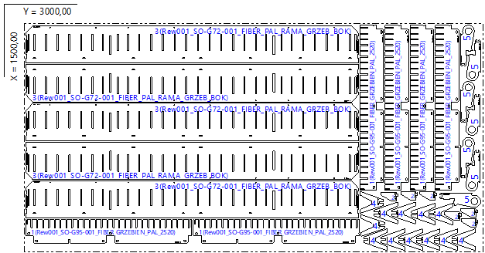

Part List
ID | Thumbnail | Part Name | Part Size(mm*mm) | Qty | Cut Length(m) | Marking length(m) | Defilm Length(m)
319777 |  | Rew001_SO-G95-001_FIBER_GRZEBIEN_PAL_2520 | 1087.00 * 155.00 | 6 / 36 | 5.96 | 0.12 | 0
319779 |  | Rew001_SO-G81-001_FIBER_PAL_RAMA_POZYCJONER_Y_II | 55.50 * 111.00 | 6 / 24 | 0.33 | 0.12 | 0
319781 |  | Rew001_SO-G72-001_FIBER_PAL_RAMA_GRZEB_BOK | 2176.00 * 246.00 | 5 / 12 | 13.4 | 0.12 | 0
319783 |  | Rew001_SO-G77-001_FIBER_PAL_NOGA_SRODKOWA | 142.56 * 154.00 | 12 / 12 | 0.66 | 0.11 | 0
319785 |  | Rew001_SO-G75-002_FIBER_PAL_RAMA_POZ_Y_HAK | 92.50 * 267.75 | 7 / 24 | 0.9 | 0.12 | 0

Result2
2025.08.04 FW WYCENA 1035SUR082025-S235-10-Oxygen(5) - Result2
Cut Plan
Material | Thickness(mm) | Plate Size(mm*mm) |  | Nested Plate Size(mm*mm) |  | Cut number: | Cut time per piece | Part Qty
S235 | 10.00 | 1500.00 * 3000.00 |  | 1484.00 * 2983.56 |  | 1 | 1h27min49s | 31
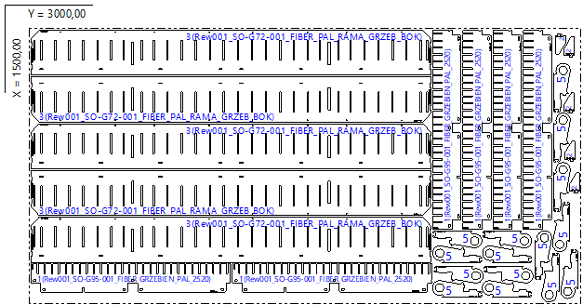

Part List
ID | Thumbnail | Part Name | Part Size(mm*mm) | Qty | Cut Length(m) | Marking length(m) | Defilm Length(m)
319777 |  | Rew001_SO-G95-001_FIBER_GRZEBIEN_PAL_2520 | 1087.00 * 155.00 | 6 / 36 | 5.96 | 0.12 | 0
319779 |  | Rew001_SO-G81-001_FIBER_PAL_RAMA_POZYCJONER_Y_II | 55.50 * 111.00 | 5 / 24 | 0.33 | 0.12 | 0
319781 |  | Rew001_SO-G72-001_FIBER_PAL_RAMA_GRZEB_BOK | 2176.00 * 246.00 | 5 / 12 | 13.4 | 0.12 | 0
319785 |  | Rew001_SO-G75-002_FIBER_PAL_RAMA_POZ_Y_HAK | 92.50 * 267.75 | 15 / 24 | 0.9 | 0.12 | 0

Result3
2025.08.04 FW WYCENA 1035SUR082025-S235-10-Oxygen(5) - Result3
Cut Plan
Material | Thickness(mm) | Plate Size(mm*mm) |  | Nested Plate Size(mm*mm) |  | Cut number: | Cut time per piece | Part Qty
S235 | 10.00 | 1500.00 * 3000.00 |  | 1303.20 * 2961.09 |  | 1 | 1h23min12s | 35
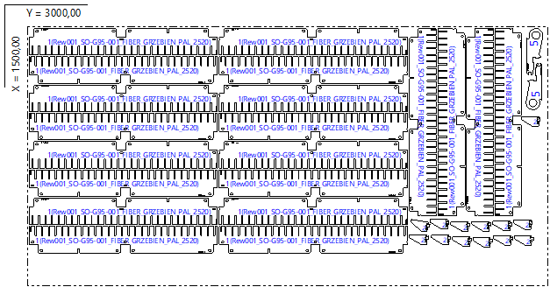

Part List
ID | Thumbnail | Part Name | Part Size(mm*mm) | Qty | Cut Length(m) | Marking length(m) | Defilm Length(m)
319777 |  | Rew001_SO-G95-001_FIBER_GRZEBIEN_PAL_2520 | 1087.00 * 155.00 | 20 / 36 | 5.96 | 0.12 | 0
319779 |  | Rew001_SO-G81-001_FIBER_PAL_RAMA_POZYCJONER_Y_II | 55.50 * 111.00 | 13 / 24 | 0.33 | 0.12 | 0
319785 |  | Rew001_SO-G75-002_FIBER_PAL_RAMA_POZ_Y_HAK | 92.50 * 267.75 | 2 / 24 | 0.9 | 0.12 | 0

Result4
2025.08.04 FW WYCENA 1035SUR082025-S235-10-Oxygen(5) - Result4
Cut Plan
Material | Thickness(mm) | Plate Size(mm*mm) |  | Nested Plate Size(mm*mm) |  | Cut number: | Cut time per piece | Part Qty
S235 | 10.00 | 663.60 * 1103.90 |  | 647.60 * 1087.90 |  | 1 | 15min06s | 4
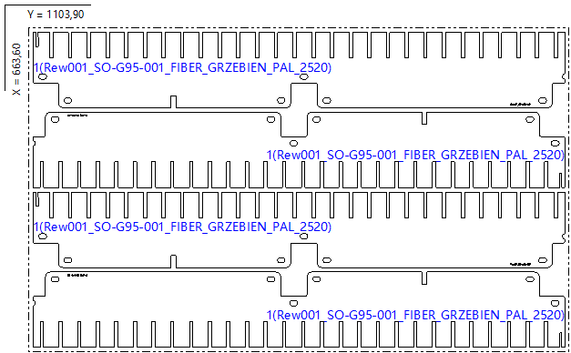

Part List
ID | Thumbnail | Part Name | Part Size(mm*mm) | Qty | Cut Length(m) | Marking length(m) | Defilm Length(m)
319777 |  | Rew001_SO-G95-001_FIBER_GRZEBIEN_PAL_2520 | 1087.00 * 155.00 | 4 / 36 | 5.96 | 0.12 | 0

